Correlation
Play Again vs. Win Frequency

ACTIVITY: Copy and paste the right data in the columns below.

 |  | 0=female
 |  | 1=male | ACTIVITY: Replace the picture of a graph with an actual scatter graph.
Win Frequency | Play Again | Gender | Make sure you add the trend line and regression formula.
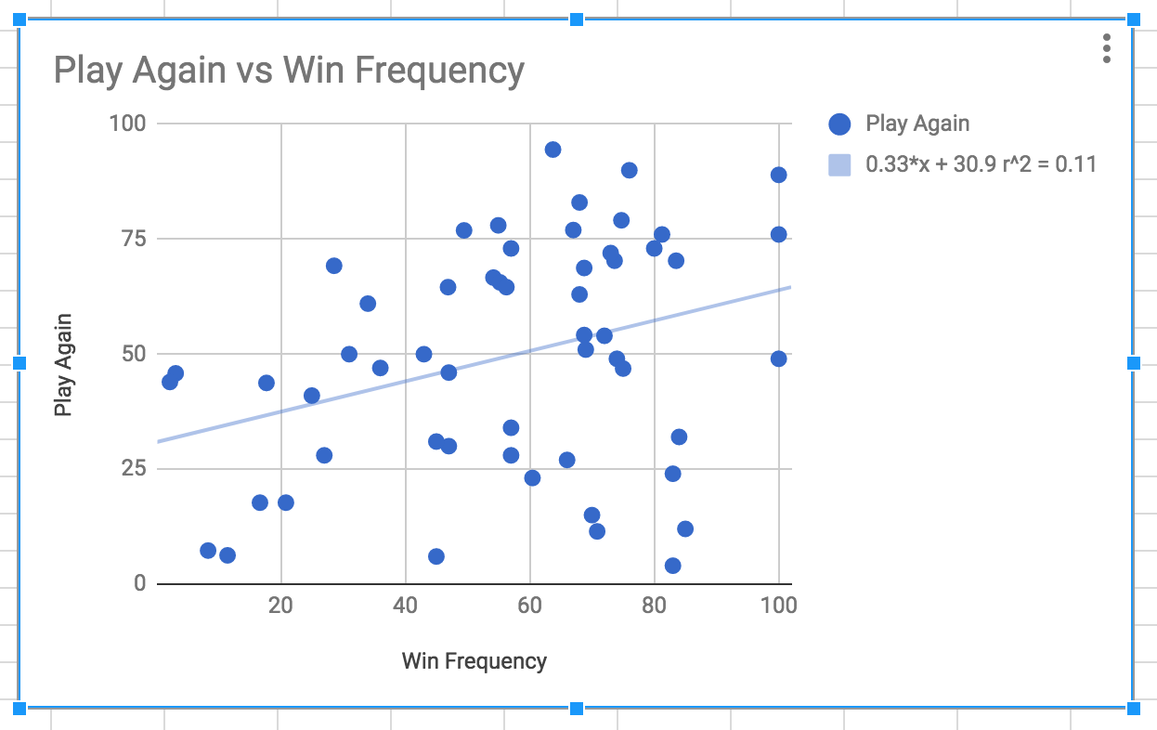

 |  |  | ACTIVITY: Calculate the correlation coefficient and describe your findings. (see image below)

 |  |  | Correlation Coefficient:

 |  |  | Describe the chart:

